Login&Logout DemoOrangeHRM
Project name | https://opensource-demo.orangehrmlive.com/ | DOR = Demo Orangehrmlive |  | Result |  | Persentase | Total Test Case
Os | Windows | 01 = Number |  | PASSED | 7 | 100% | 7 |  |  | PASSED
Version | V1.0.0 |  |  | FAIL | 0 | 0% |  |  |  | FAIL
Date | 2023-02-23 |  |  | BLOCKED | 0 | 0% |  |  |  | BLOCKED
Device | Asus A407UF |  |  | RETEST | 0 | 0% |  |  |  | RETEST
Menu | Login & Logout |  |  | NOT TESTED | 0 | 0% |  |  |  | NOT TESTED
Author | Agustin Anisa Fitri

TEST CASE ID | TEST SCENARIO |  | TYPE | PRECONDITION | STEPS | TEST DATA | EXPECTED DATA | POSTCONDITIONS | TEST DATE | STATUS | VERIFIED BY | ACTUAL RESULT
Log In
DOR-01 | Verify Login Successfully |  | Positive | User have an account | 1. Go to URL https://opensource-demo.orangehrmlive.com/ 2. Input valid username 3. Input valid password 4. Click Log in button | username : Admin password : admin123 | Success Logged in | User directly to dashboard page | 2023-02-25 | PASSED | Agustin Anisa Fitri | 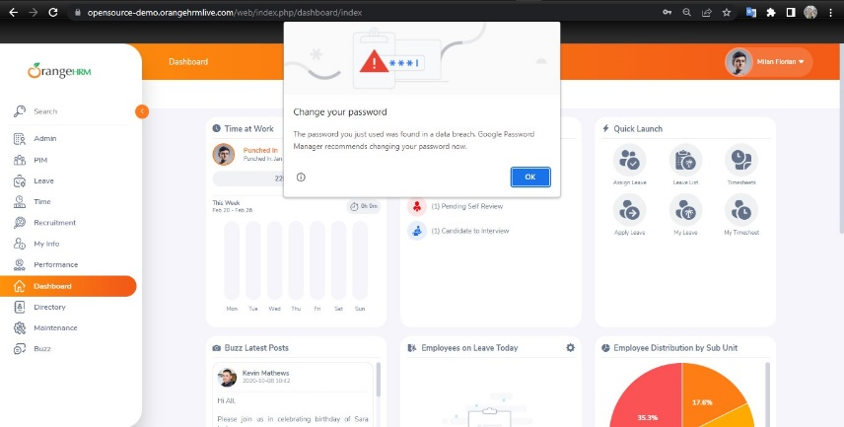
DOR-02 | Verify Login Failed | Invalid username | Negative | User have an account | 1. Go to URL https://opensource-demo.orangehrmlive.com/ 2. Input invalid username 3. Input valid password 4. Click Log in button | username : Admin123 password : admin123 | Fail Log in Showing message "!Invalid Credentials" | User remains on the login page | 2023-02-25 | PASSED | Agustin Anisa Fitri | 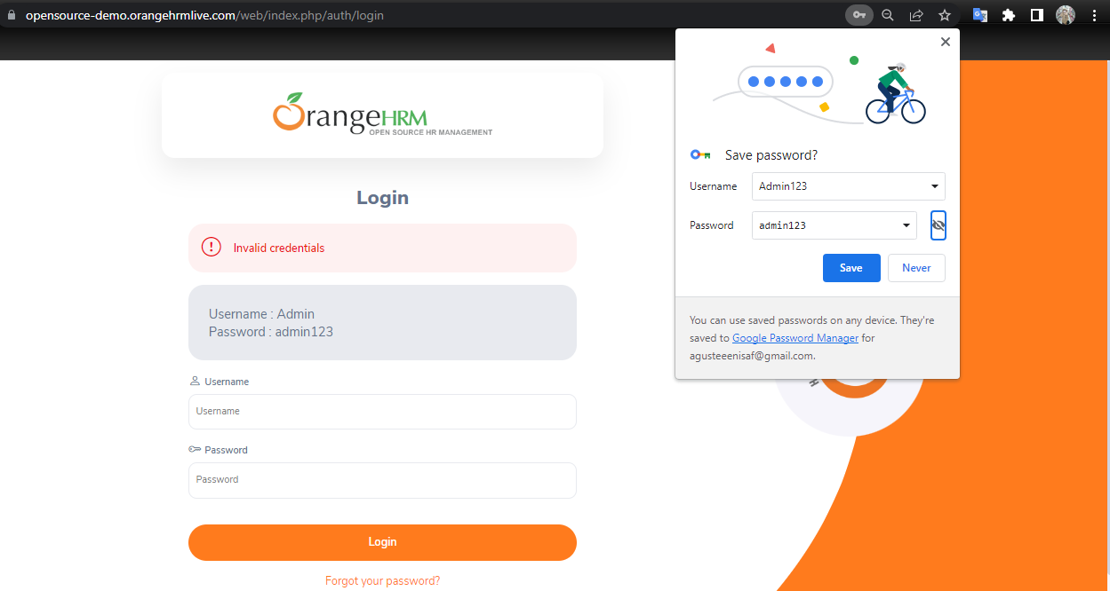
DOR-03 |  | Invalid password | Negative | User have an account | 1. Go to URL https://opensource-demo.orangehrmlive.com/ 2. Input valid username 3. Input invalid password 4. Click Log in button | username : Admin password : admin | Fail Log in Showing message "!Invalid Credentials" | User remains on the login page | 2023-02-25 | PASSED | Agustin Anisa Fitri | 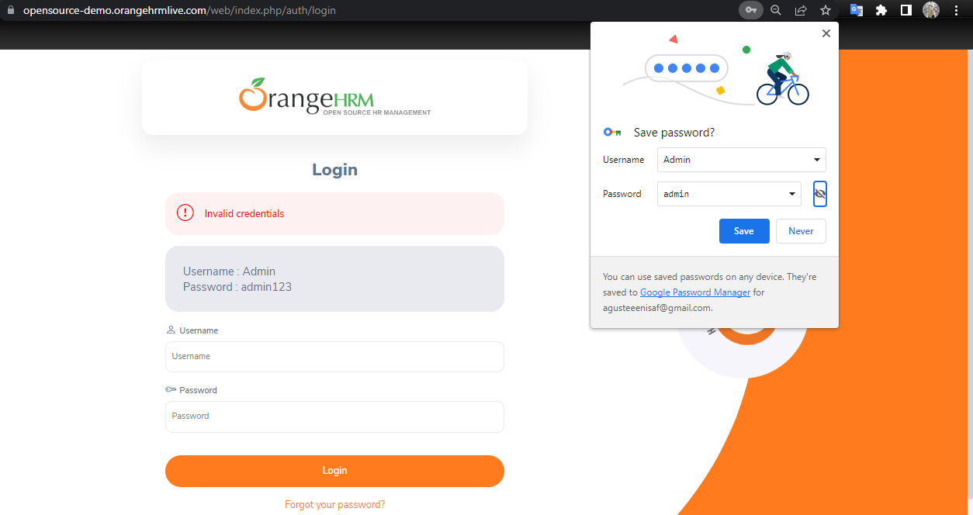
DOR-04 |  | Blank fill username | Negative | User have an account | 1. Go to URL https://opensource-demo.orangehrmlive.com/ 2. Input valid password 3. Click Log in button | password : admin123 | Showing message "Required" on username fill | User remains on the login page | 2023-02-25 | PASSED | Agustin Anisa Fitri | 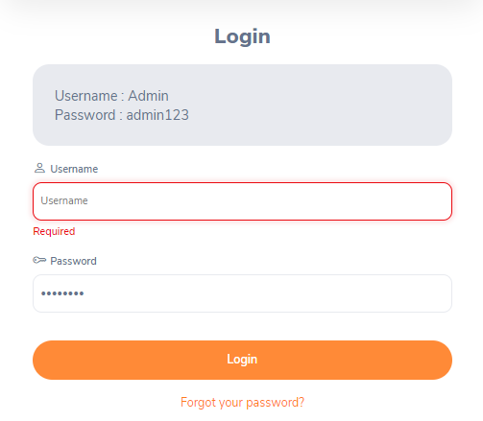
DOR-05 |  | Blank fill password | Negative | User have an account | 1. Go to URL https://opensource-demo.orangehrmlive.com/ 2. Input valid username 3. Click Log in button | username : Admin | Showing message "Required" on password fill | User remains on the login page | 2023-02-25 | PASSED | Agustin Anisa Fitri | 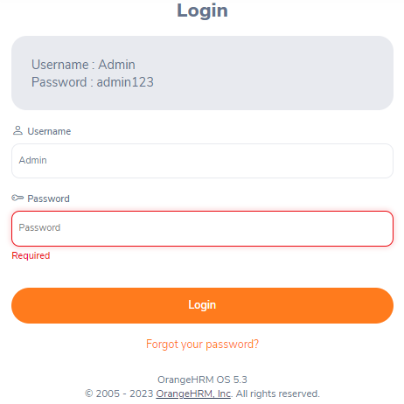
DOR-06 |  | Blank fill username and password | Negative | - | 1. Go to URL https://opensource-demo.orangehrmlive.com/ 2. Click Log in button |  | Showing message "Required" on username and password fill | User remains on the login page | 2023-02-25 | PASSED | Agustin Anisa Fitri | 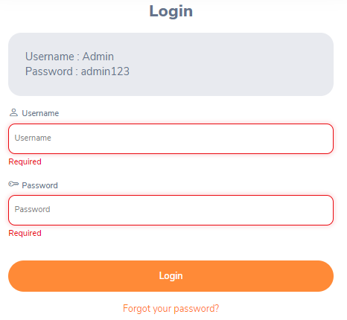
Logout
DOR-07 | Verify Log out Successfully |  | Positive | DOR-01 | 1. Click menu icon in top right corner 2. Click Log Out |  | Success Logged out | User directly to login page | 2023-02-25 | PASSED | Agustin Anisa Fitri | User directly to login page

